GWL = 1 K
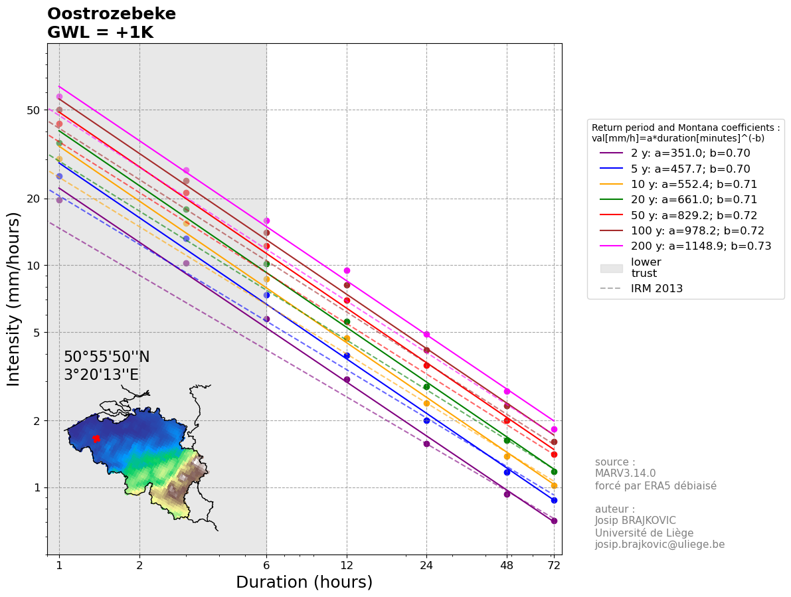
IDFs are calculated using the biad-adjusted Regional Climate model MAR3.14.0 forced by ERA5 (resolution of 5 km) reanalysis over 1940-2023.
The IDF for each location is calculated taking the closest MAR pixel to the center of the commune and its 5 closest neighbours (red points on the map below).
The values are computed as a weighted (by the distance) average of those selected pixels.
The GWL (Global Warming level) represents the Global Mean Surface Temperature anomaly with 1850-1899 as reference.
The used statistical law is a General Pareto Distribution, future IDFs are computed by adding 7% of intensity per degree of Global Warming
Reference: Brajkovic et al., 2025 (https://doi.org/10.1016/j.ejrh.2025.102399); contact : josip.brajkovic@uliege.be
Units: mm per hour
Montana coefficients: val[mm/h]=a*duration[minutes]^(-b)

 |  |  |  |  |  |  |  |  |  | 95% confidence interval half width [mm/h]
Return period (years) | 1h | 3h | 6h | 12h | 24h | 48h | 72h | Montana a | Montana b | 1h | 3h | 6h | 12h | 24h | 48h | 72h
2 | 19.62013499 | 10.253771987 | 5.7333712513 | 3.0589675781 | 1.580010059 | 0.93151663358 | 0.70946575813 | 350.98380297 | 0.70059605903 | 1.0777937684 | 0.5734425311 | 0.31043764086 | 0.16086487524 | 0.077659613473 | 0.044275655847 | 0.031926943584
5 | 25.283726704 | 13.165615061 | 7.3427258337 | 3.9323593436 | 2.0081639133 | 1.1713775872 | 0.87780772167 | 457.73319818 | 0.70354293408 | 2.0474044101 | 0.9553907293 | 0.54865323655 | 0.31133310449 | 0.15416633695 | 0.086463575412 | 0.058889192638
10 | 30.101898524 | 15.484266216 | 8.6817487111 | 4.7033455858 | 2.3924305795 | 1.3834417481 | 1.0205573662 | 552.43377062 | 0.70714479013 | 3.3274785637 | 1.3801657089 | 0.8285985463 | 0.50699969515 | 0.25622037336 | 0.14281935521 | 0.093330709878
20 | 35.436008779 | 17.908503537 | 10.135894253 | 5.5844354334 | 2.8380609904 | 1.6261557064 | 1.1781533758 | 661.00857245 | 0.71153741418 | 5.2077037652 | 1.9601599022 | 1.222114363 | 0.80309451022 | 0.41431081331 | 0.22903210304 | 0.14423931794
25 | 37.272182434 | 18.712298135 | 10.630196949 | 5.894046154 | 2.9961748408 | 1.7115341861 | 1.2323050528 | 699.23237267 | 0.71308350607 | 5.9585096258 | 2.1838376854 | 1.3764816762 | 0.92410820452 | 0.47980571176 | 0.26440829343 | 0.16468669859
30 | 38.817889992 | 19.377723473 | 11.043972856 | 6.1570852922 | 3.1310952404 | 1.7841060019 | 1.2778537821 | 731.73290009 | 0.71438801045 | 6.6292673055 | 2.3807629813 | 1.5134645834 | 1.033404786 | 0.53931223051 | 0.29640379347 | 0.18299838848
50 | 43.376615733 | 21.284612123 | 12.25255331 | 6.9452331433 | 3.5384620462 | 2.001747459 | 1.4120044864 | 829.24542358 | 0.71821895335 | 8.803502781 | 3.0033020621 | 1.9527273847 | 1.3944766816 | 0.73790188206 | 0.40232574366 | 0.24257293916
100 | 50.138950765 | 23.975791362 | 14.015562407 | 8.1466347613 | 4.1677873094 | 2.3340444676 | 1.6105302821 | 978.21812359 | 0.7237703697 | 12.528755122 | 4.0251063892 | 2.6925385252 | 2.0331447375 | 1.0951191922 | 0.59025851874 | 0.34514246911
200 | 57.632062477 | 26.792122903 | 15.931997629 | 9.5197640286 | 4.8983465111 | 2.7145944058 | 1.8299203928 | 1148.8947214 | 0.72965112646 | 17.287887318 | 5.267075427 | 3.6202010963 | 2.8781623324 | 1.5766036372 | 0.83968864295 | 0.4766716655

GWL = 2 K

IDFs are calculated using the biad-adjusted Regional Climate model MAR3.14.0 forced by ERA5 (resolution of 5 km) reanalysis over 1940-2023.
The IDF for each location is calculated taking the closest MAR pixel to the center of the commune and its 5 closest neighbours (red points on the map below).
The values are computed as a weighted (by the distance) average of those selected pixels.
The GWL (Global Warming level) represents the Global Mean Surface Temperature anomaly with 1850-1899 as reference.
The used statistical law is a General Pareto Distribution, future IDFs are computed by adding 7% of intensity per degree of Global Warming
Reference: Brajkovic et al., 2025 (https://doi.org/10.1016/j.ejrh.2025.102399); contact : josip.brajkovic@uliege.be
Units: mm per hour
Montana coefficients: val[mm/h]=a*duration[minutes]^(-b)

 |  |  |  |  |  |  |  |  |  | 95% confidence interval half width [mm/h]
Return period (years) | 1h | 3h | 6h | 12h | 24h | 48h | 72h | Montana a | Montana b | 1h | 3h | 6h | 12h | 24h | 48h | 72h
2 | 20.99354444 | 10.971536026 | 6.1347072389 | 3.2730953086 | 1.6906107631 | 0.99672279793 | 0.7591283612 | 375.55131369 | 0.70059525387 | 1.1532393322 | 0.61358350828 | 0.33216827572 | 0.17212541651 | 0.083095786416 | 0.047374951756 | 0.034161829635
5 | 27.053587574 | 14.087208115 | 7.856716642 | 4.2076244977 | 2.1487353872 | 1.2533740183 | 0.93925426219 | 489.77464493 | 0.70354299014 | 2.1907227188 | 1.0222680804 | 0.58705896311 | 0.33312642181 | 0.16495798054 | 0.092516025691 | 0.063011436122
10 | 32.209031421 | 16.568164851 | 9.2894711209 | 5.0325797768 | 2.5599007201 | 1.4802826704 | 1.0919963819 | 591.10431867 | 0.70714485975 | 3.5604020632 | 1.4767773085 | 0.88660044454 | 0.54248967381 | 0.27415579949 | 0.15281671008 | 0.099863859569
20 | 37.916529393 | 19.162098785 | 10.84540685 | 5.9753459137 | 3.0367252598 | 1.7399866059 | 1.2606241121 | 707.27841417 | 0.71153717431 | 5.5722430288 | 2.0973710953 | 1.3076623684 | 0.85931112594 | 0.44331257024 | 0.24506435026 | 0.1543360702
25 | 39.881235205 | 20.022159004 | 11.374310735 | 6.3066293848 | 3.2059070797 | 1.8313415791 | 1.3185664065 | 748.17817261 | 0.71308336667 | 6.3756052996 | 2.3367063234 | 1.4728353935 | 0.98879577884 | 0.51339211158 | 0.28291687397 | 0.17621476749
30 | 41.535142291 | 20.734164116 | 11.817050956 | 6.5880812626 | 3.3502719072 | 1.908993422 | 1.3673035468 | 782.95403644 | 0.71438796283 | 7.0933160169 | 2.54741639 | 1.6194071043 | 1.105743121 | 0.57706408664 | 0.31715205901 | 0.19580827567
50 | 46.412978834 | 22.774534972 | 13.110232042 | 7.4313994633 | 3.7861543895 | 2.1418697811 | 1.5108448005 | 887.29271102 | 0.71821898054 | 9.4197479756 | 3.2135332064 | 2.0894183016 | 1.4920900493 | 0.78955501381 | 0.43048854572 | 0.2595530449
100 | 53.648677318 | 25.654096758 | 14.996651775 | 8.7168991946 | 4.4595324211 | 2.4974275804 | 1.7232674019 | 1046.6934142 | 0.7237703744 | 13.40576798 | 4.3068638364 | 2.8810162219 | 2.1754648691 | 1.1717775356 | 0.63157661505 | 0.36930244195
200 | 61.66630685 | 28.667571506 | 17.047237463 | 10.186147511 | 5.2412307669 | 2.9046160142 | 1.9580148203 | 1229.3178899 | 0.72965122474 | 18.498039431 | 5.6357707069 | 3.873615173 | 3.0796336957 | 1.6869658918 | 0.89846684795 | 0.51003868208

GWL = 3 K

IDFs are calculated using the biad-adjusted Regional Climate model MAR3.14.0 forced by ERA5 (resolution of 5 km) reanalysis over 1940-2023.
The IDF for each location is calculated taking the closest MAR pixel to the center of the commune and its 5 closest neighbours (red points on the map below).
The values are computed as a weighted (by the distance) average of those selected pixels.
The GWL (Global Warming level) represents the Global Mean Surface Temperature anomaly with 1850-1899 as reference.
The used statistical law is a General Pareto Distribution, future IDFs are computed by adding 7% of intensity per degree of Global Warming
Reference: Brajkovic et al., 2025 (https://doi.org/10.1016/j.ejrh.2025.102399); contact : josip.brajkovic@uliege.be
Units: mm per hour
Montana coefficients: val[mm/h]=a*duration[minutes]^(-b)

 |  |  |  |  |  |  |  |  |  | 95% confidence interval half width [mm/h]
Return period (years) | 1h | 3h | 6h | 12h | 24h | 48h | 72h | Montana a | Montana b | 1h | 3h | 6h | 12h | 24h | 48h | 72h
2 | 22.366953889 | 11.689300065 | 6.5360432265 | 3.4872230391 | 1.8012114672 | 1.0619289623 | 0.80879096427 | 400.12151799 | 0.70059604927 | 1.228684896 | 0.65372448546 | 0.35389891058 | 0.18338595778 | 0.088531959359 | 0.050474247665 | 0.036396715686
5 | 28.823448443 | 15.008801169 | 8.3707074504 | 4.4828896517 | 2.2893068611 | 1.3353704494 | 1.0007008027 | 521.8160918 | 0.7035430393 | 2.3340410275 | 1.0891454314 | 0.62546468967 | 0.35491973912 | 0.17574962413 | 0.09856847597 | 0.067133679607
10 | 34.316164317 | 17.652063486 | 9.8971935307 | 5.3618139678 | 2.7273708607 | 1.5771235928 | 1.1634353975 | 629.77486763 | 0.70714492111 | 3.7933255627 | 1.5733889081 | 0.94460234278 | 0.57797965247 | 0.29209122563 | 0.16281406494 | 0.10639700926
20 | 40.397050008 | 20.415694032 | 11.554919448 | 6.366256394 | 3.2353895291 | 1.8538175053 | 1.3430948484 | 753.54818488 | 0.71153694286 | 5.9367822923 | 2.2345822885 | 1.3932103738 | 0.91552774165 | 0.47231432717 | 0.26109659747 | 0.16443282245
25 | 42.490287975 | 21.332019874 | 12.118424522 | 6.7192126156 | 3.4156393186 | 1.9511489721 | 1.4048277602 | 797.12469839 | 0.71308344815 | 6.7927009734 | 2.4895749614 | 1.5691891108 | 1.0534833532 | 0.54697851141 | 0.30142545451 | 0.18774283639
30 | 44.252394591 | 22.090604759 | 12.590129056 | 7.0190772331 | 3.569448574 | 2.0338808421 | 1.4567533116 | 834.17555015 | 0.7143880223 | 7.5573647283 | 2.7140697987 | 1.7253496251 | 1.178081456 | 0.61481594278 | 0.33790032456 | 0.20861816286
50 | 49.449341935 | 24.264457821 | 13.967910773 | 7.9175657834 | 4.0338467327 | 2.2819921033 | 1.6096851145 | 945.33998591 | 0.71821900144 | 10.03599317 | 3.4237643508 | 2.2261092186 | 1.589703417 | 0.84120814555 | 0.45865134778 | 0.27653315064
100 | 57.158403872 | 27.332402153 | 15.977741144 | 9.2871636279 | 4.7512775328 | 2.6608106931 | 1.8360045216 | 1115.1685515 | 0.72377034771 | 14.282780839 | 4.5886212837 | 3.0694939187 | 2.3177850007 | 1.2484358791 | 0.67289471136 | 0.39346241479
200 | 65.700551223 | 30.543020109 | 18.162477297 | 10.852530993 | 5.5841150227 | 3.0946376226 | 2.0861092477 | 1309.7403801 | 0.72965119466 | 19.708191543 | 6.0044659868 | 4.1270292497 | 3.2811050589 | 1.7973281464 | 0.95724505296 | 0.54340569866

GWL = 4 K
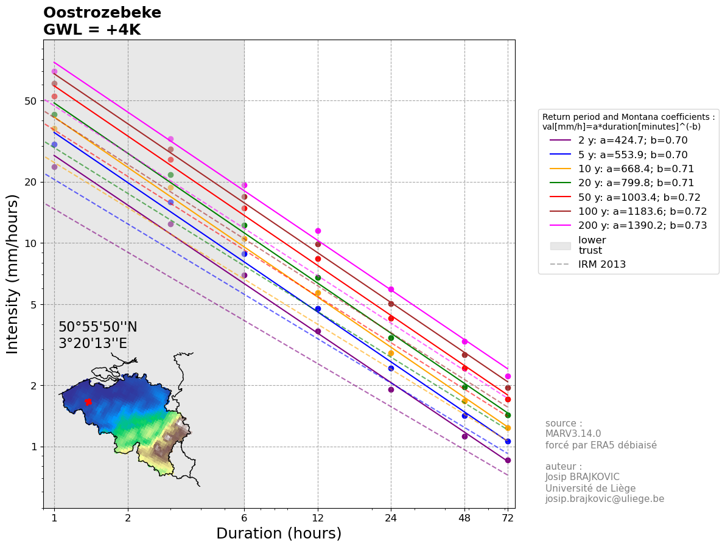
IDFs are calculated using the biad-adjusted Regional Climate model MAR3.14.0 forced by ERA5 (resolution of 5 km) reanalysis over 1940-2023.
The IDF for each location is calculated taking the closest MAR pixel to the center of the commune and its 5 closest neighbours (red points on the map below).
The values are computed as a weighted (by the distance) average of those selected pixels.
The GWL (Global Warming level) represents the Global Mean Surface Temperature anomaly with 1850-1899 as reference.
The used statistical law is a General Pareto Distribution, future IDFs are computed by adding 7% of intensity per degree of Global Warming
Reference: Brajkovic et al., 2025 (https://doi.org/10.1016/j.ejrh.2025.102399); contact : josip.brajkovic@uliege.be
Units: mm per hour
Montana coefficients: val[mm/h]=a*duration[minutes]^(-b)

 |  |  |  |  |  |  |  |  |  | 95% confidence interval half width [mm/h]
Return period (years) | 1h | 3h | 6h | 12h | 24h | 48h | 72h | Montana a | Montana b | 1h | 3h | 6h | 12h | 24h | 48h | 72h
2 | 23.740363338 | 12.407064104 | 6.9373792141 | 3.7013507695 | 1.9118121713 | 1.1271351266 | 0.85845356734 | 424.6907537 | 0.70059624406 | 1.3041304598 | 0.69386546264 | 0.37562954544 | 0.19464649904 | 0.093968132302 | 0.053573543574 | 0.038631601737
5 | 30.593309312 | 15.930394224 | 8.8846982588 | 4.7581548058 | 2.429878335 | 1.4173668805 | 1.0621473432 | 553.85788201 | 0.70354322123 | 2.4773593362 | 1.1560227825 | 0.66387041623 | 0.37671305644 | 0.18654126771 | 0.10462092625 | 0.071255923092
10 | 36.423297214 | 18.735962121 | 10.50491594 | 5.6910481588 | 2.8948410012 | 1.6739645152 | 1.2348744131 | 668.44540126 | 0.70714497028 | 4.0262490621 | 1.6700005078 | 1.002604241 | 0.61346963113 | 0.31002665176 | 0.17281141981 | 0.11293015895
20 | 42.877570622 | 21.66928928 | 12.264432046 | 6.7571668744 | 3.4340537984 | 1.9676484048 | 1.4255655847 | 799.8196664 | 0.71153721662 | 6.3013215559 | 2.3717934816 | 1.4787583792 | 0.97174435737 | 0.5013160841 | 0.27712884468 | 0.17452957471
25 | 45.099340746 | 22.641880743 | 12.862538308 | 7.1317958463 | 3.6253715574 | 2.0709563652 | 1.4910891138 | 846.07120452 | 0.71308351499 | 7.2097966472 | 2.6424435994 | 1.6655428282 | 1.1181709275 | 0.58056491123 | 0.31993403505 | 0.1992709053
30 | 46.96964689 | 23.447045402 | 13.363207156 | 7.4500732035 | 3.7886252409 | 2.1587682623 | 1.5462030763 | 885.39700638 | 0.71438806034 | 8.0214134397 | 2.8807232074 | 1.8312921459 | 1.250419791 | 0.65256779891 | 0.3586485901 | 0.22142805006
50 | 52.485705036 | 25.754380669 | 14.825589505 | 8.4037321034 | 4.281539076 | 2.4221144254 | 1.7085254286 | 1003.387241 | 0.71821901551 | 10.652238365 | 3.6339954951 | 2.3628001355 | 1.6873167847 | 0.89286127729 | 0.48681414983 | 0.29351325638
100 | 60.668130425 | 29.010707549 | 16.958830512 | 9.8574280612 | 5.0430226444 | 2.8241938058 | 1.9487416414 | 1183.6437805 | 0.72377034145 | 15.159793697 | 4.8703787309 | 3.2579716154 | 2.4601051324 | 1.3250942225 | 0.71421280767 | 0.41762238763
200 | 69.734795597 | 32.418468712 | 19.277717131 | 11.518914475 | 5.9269992785 | 3.284659231 | 2.2142036752 | 1390.1627797 | 0.72965115341 | 20.918343655 | 6.3731612667 | 4.3804433265 | 3.4825764222 | 1.907690401 | 1.016023258 | 0.57677271525

