GWL = 1 K
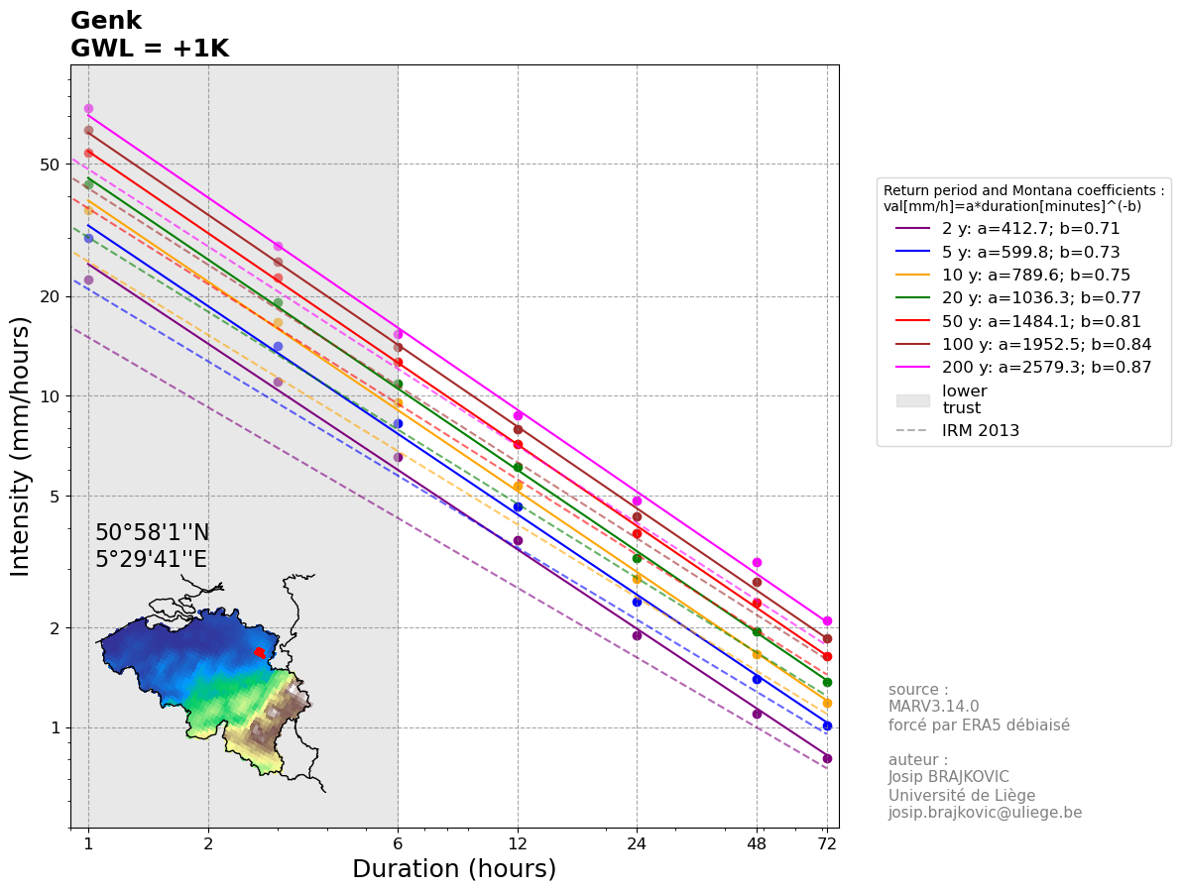
IDFs are calculated using the biad-adjusted Regional Climate model MAR3.14.0 forced by ERA5 (resolution of 5 km) reanalysis over 1940-2023.
The IDF for each location is calculated taking the closest MAR pixel to the center of the commune and its 5 closest neighbours (red points on the map below).
The values are computed as a weighted (by the distance) average of those selected pixels.
The GWL (Global Warming level) represents the Global Mean Surface Temperature anomaly with 1850-1899 as reference.
The used statistical law is a General Pareto Distribution, future IDFs are computed by adding 7% of intensity per degree of Global Warming
Reference: Brajkovic et al., 2025 (https://doi.org/10.1016/j.ejrh.2025.102399); contact : josip.brajkovic@uliege.be
Units: mm per hour
Montana coefficients: val[mm/h]=a*duration[minutes]^(-b)

 |  |  |  |  |  |  |  |  |  | 95% confidence interval half width [mm/h]
Return period (years) | 1h | 3h | 6h | 12h | 24h | 48h | 72h | Montana a | Montana b | 1h | 3h | 6h | 12h | 24h | 48h | 72h
2 | 22.451014569 | 11.063316396 | 6.5219075526 | 3.6685630551 | 1.8922093374 | 1.0990052702 | 0.80951639847 | 412.71039111 | 0.70872381131 | 1.4015460877 | 0.62101476891 | 0.41214358998 | 0.20777441263 | 0.10026848978 | 0.057455262714 | 0.039168310115
5 | 29.852736579 | 14.183408139 | 8.2533654617 | 4.6340057588 | 2.4031278895 | 1.4039662288 | 1.0144058832 | 599.83371582 | 0.73098027604 | 2.7338998069 | 1.042423665 | 0.64602998975 | 0.33645602159 | 0.17266705999 | 0.10720279062 | 0.070341616923
10 | 36.225027416 | 16.636413475 | 9.5740495623 | 5.3759971626 | 2.8127140491 | 1.6639281768 | 1.1846815428 | 789.62079798 | 0.75132405542 | 4.5483537007 | 1.5584673216 | 0.880972136 | 0.48328679982 | 0.26866611093 | 0.17309704979 | 0.10914913436
20 | 43.361621424 | 19.172788858 | 10.904238912 | 6.1284209738 | 3.243526537 | 1.9523271736 | 1.3693808401 | 1036.2977711 | 0.77425427231 | 7.2578235583 | 2.287320505 | 1.1762890367 | 0.68626481604 | 0.41343625143 | 0.27305097072 | 0.16606231699
25 | 45.838241022 | 20.007597142 | 11.334506052 | 6.3729259768 | 3.3869442315 | 2.0517537615 | 1.4321120931 | 1130.8643565 | 0.78215703531 | 8.3499546642 | 2.5703762425 | 1.2846390905 | 0.76426132772 | 0.47143049958 | 0.31368486334 | 0.1888006819
30 | 47.931003859 | 20.696430046 | 11.686802927 | 6.5735396941 | 3.5058881923 | 2.135512502 | 1.4846027383 | 1214.5375227 | 0.78879872786 | 9.3298304766 | 2.8197289523 | 1.3780096841 | 0.83264610933 | 0.52312932979 | 0.35024312237 | 0.20910573428
50 | 54.145209333 | 22.65925546 | 12.677440841 | 7.1396922001 | 3.8478126144 | 2.3828655311 | 1.6378088762 | 1484.1490955 | 0.80828465657 | 12.53037021 | 3.6070788584 | 1.6629118942 | 1.046785848 | 0.68941104286 | 0.47003753351 | 0.2747909575
100 | 63.478191987 | 25.402143774 | 14.030155567 | 7.9177361678 | 4.3330366196 | 2.7506851984 | 1.8609935677 | 1952.5237674 | 0.83679043613 | 18.088953635 | 4.8922441246 | 2.1047935172 | 1.3912904131 | 0.96845365514 | 0.67850693703 | 0.38662178646
200 | 73.978038969 | 28.239892289 | 15.392771253 | 8.7074363715 | 4.8441118419 | 3.1595117305 | 2.1031835197 | 2579.2957007 | 0.86769705407 | 25.30702785 | 6.4399130752 | 2.6110704457 | 1.7993077817 | 1.3139894281 | 0.94870252482 | 0.52797112994

GWL = 2 K

IDFs are calculated using the biad-adjusted Regional Climate model MAR3.14.0 forced by ERA5 (resolution of 5 km) reanalysis over 1940-2023.
The IDF for each location is calculated taking the closest MAR pixel to the center of the commune and its 5 closest neighbours (red points on the map below).
The values are computed as a weighted (by the distance) average of those selected pixels.
The GWL (Global Warming level) represents the Global Mean Surface Temperature anomaly with 1850-1899 as reference.
The used statistical law is a General Pareto Distribution, future IDFs are computed by adding 7% of intensity per degree of Global Warming
Reference: Brajkovic et al., 2025 (https://doi.org/10.1016/j.ejrh.2025.102399); contact : josip.brajkovic@uliege.be
Units: mm per hour
Montana coefficients: val[mm/h]=a*duration[minutes]^(-b)

 |  |  |  |  |  |  |  |  |  | 95% confidence interval half width [mm/h]
Return period (years) | 1h | 3h | 6h | 12h | 24h | 48h | 72h | Montana a | Montana b | 1h | 3h | 6h | 12h | 24h | 48h | 72h
2 | 24.022585589 | 11.837748544 | 6.9784410813 | 3.9253624689 | 2.0246639911 | 1.1759356391 | 0.86618254636 | 441.59979966 | 0.70872364995 | 1.4996543139 | 0.66448580273 | 0.44099364128 | 0.22231862151 | 0.10728728407 | 0.061477131104 | 0.041910091823
5 | 31.942428139 | 15.176246709 | 8.831101044 | 4.9583861619 | 2.5713468417 | 1.5022438648 | 1.0854142951 | 641.82211009 | 0.730980288 | 2.9252727934 | 1.1153933216 | 0.69125208904 | 0.3600079431 | 0.18475375419 | 0.11470698596 | 0.075265530107
10 | 38.760779335 | 17.800962418 | 10.244233032 | 5.752316964 | 3.0096040325 | 1.7804031491 | 1.2676092508 | 844.89427519 | 0.75132406115 | 4.8667384597 | 1.6675600341 | 0.94264018552 | 0.51711687581 | 0.28747273869 | 0.18521384327 | 0.11678957377
20 | 46.396934924 | 20.514884078 | 11.667535636 | 6.5574104419 | 3.4705733946 | 2.0889900758 | 1.4652374989 | 1108.8384206 | 0.77425423256 | 7.7658712074 | 2.4474329403 | 1.2586292692 | 0.73430335317 | 0.44237678903 | 0.29216453867 | 0.17768667917
25 | 49.046917894 | 21.408128942 | 12.127921475 | 6.8190307952 | 3.6240303277 | 2.1953765248 | 1.5323599396 | 1210.0249514 | 0.78215705218 | 8.9344514907 | 2.7503025795 | 1.3745638268 | 0.81775962066 | 0.50443063455 | 0.33564280377 | 0.20201672963
30 | 51.286174129 | 22.145180149 | 12.504879131 | 7.0336874727 | 3.7513003658 | 2.2849983772 | 1.5885249299 | 1299.5549433 | 0.78879869181 | 9.9829186099 | 3.017109979 | 1.474470362 | 0.89093133699 | 0.55974838288 | 0.37476014093 | 0.22374313568
50 | 57.935373987 | 24.245403342 | 13.564861699 | 7.6394706541 | 4.1171594974 | 2.5496661183 | 1.7524554976 | 1588.039524 | 0.80828465539 | 13.407496125 | 3.8595743785 | 1.7793157268 | 1.1200608574 | 0.73766981586 | 0.50294016085 | 0.29402632452
100 | 67.921665426 | 27.180293838 | 15.012266457 | 8.4719776995 | 4.636349183 | 2.9432331623 | 1.9912631175 | 2089.2004316 | 0.83679043618 | 19.35518039 | 5.2347012134 | 2.2521290634 | 1.4886807421 | 1.036245411 | 0.72600242262 | 0.41368531151
200 | 79.156501697 | 30.216684749 | 16.470265241 | 9.3169569175 | 5.1831996709 | 3.3806775516 | 2.2504063661 | 2759.8461633 | 0.86769703433 | 27.0785198 | 6.8907069904 | 2.7938453769 | 1.9252593264 | 1.405968688 | 1.0151117016 | 0.56492910904

GWL = 3 K

IDFs are calculated using the biad-adjusted Regional Climate model MAR3.14.0 forced by ERA5 (resolution of 5 km) reanalysis over 1940-2023.
The IDF for each location is calculated taking the closest MAR pixel to the center of the commune and its 5 closest neighbours (red points on the map below).
The values are computed as a weighted (by the distance) average of those selected pixels.
The GWL (Global Warming level) represents the Global Mean Surface Temperature anomaly with 1850-1899 as reference.
The used statistical law is a General Pareto Distribution, future IDFs are computed by adding 7% of intensity per degree of Global Warming
Reference: Brajkovic et al., 2025 (https://doi.org/10.1016/j.ejrh.2025.102399); contact : josip.brajkovic@uliege.be
Units: mm per hour
Montana coefficients: val[mm/h]=a*duration[minutes]^(-b)

 |  |  |  |  |  |  |  |  |  | 95% confidence interval half width [mm/h]
Return period (years) | 1h | 3h | 6h | 12h | 24h | 48h | 72h | Montana a | Montana b | 1h | 3h | 6h | 12h | 24h | 48h | 72h
2 | 25.594156609 | 12.612180692 | 7.4349746099 | 4.1821618828 | 2.1571186447 | 1.2528660081 | 0.92284869426 | 470.48906548 | 0.70872344065 | 1.59776254 | 0.70795683656 | 0.46984369258 | 0.23686283039 | 0.11430607835 | 0.065498999495 | 0.044651873531
5 | 34.0321197 | 16.169085279 | 9.4088366263 | 5.282766565 | 2.739565794 | 1.6005215008 | 1.1564227069 | 683.81040372 | 0.73098026544 | 3.1166457798 | 1.1883629781 | 0.73647418832 | 0.38355986461 | 0.19684044839 | 0.1222111813 | 0.080189443292
10 | 41.296531254 | 18.965511362 | 10.914416501 | 6.1286367654 | 3.206494016 | 1.8968781215 | 1.3505369588 | 900.16768408 | 0.75132404902 | 5.1851232188 | 1.7766527466 | 1.004308235 | 0.5509469518 | 0.30627936646 | 0.19733063676 | 0.12443001317
20 | 49.432248423 | 21.856979299 | 12.43083236 | 6.9863999101 | 3.6976202522 | 2.225652978 | 1.5610941577 | 1181.3796575 | 0.77425431041 | 8.2739188565 | 2.6075453757 | 1.3409695018 | 0.78234189029 | 0.47131732663 | 0.31127810662 | 0.18931104136
25 | 52.255594765 | 22.808660742 | 12.921336899 | 7.2651356135 | 3.8611164239 | 2.3389992881 | 1.6326077861 | 1289.1854794 | 0.78215705522 | 9.5189483172 | 2.9302289165 | 1.4644885631 | 0.8712579136 | 0.53743076952 | 0.3576007442 | 0.21523277737
30 | 54.6413444 | 23.593930252 | 13.322955336 | 7.4938352513 | 3.9967125392 | 2.4344842523 | 1.6924471216 | 1384.5725631 | 0.78879869289 | 10.636006743 | 3.2144910056 | 1.5709310399 | 0.94921656464 | 0.59636743597 | 0.3992771595 | 0.23838053708
50 | 61.72553864 | 25.831551224 | 14.452282558 | 8.1392491082 | 4.3865063804 | 2.7164667055 | 1.8671021189 | 1691.9299505 | 0.80828465408 | 14.28462204 | 4.1120698986 | 1.8957195594 | 1.1933358668 | 0.78592858887 | 0.5358427882 | 0.31326169155
100 | 72.365138865 | 28.958443902 | 15.994377347 | 9.0262192313 | 4.9396617463 | 3.1357811262 | 2.1215326672 | 2225.8770967 | 0.83679043632 | 20.621407144 | 5.5771583021 | 2.3994646096 | 1.586071071 | 1.1040371669 | 0.77349790821 | 0.44074883656
200 | 84.334964425 | 32.193477209 | 17.547759229 | 9.9264774635 | 5.5222874998 | 3.6018433728 | 2.3976292124 | 2940.3971132 | 0.8676970552 | 28.850011749 | 7.3415009057 | 2.9766203081 | 2.0512108711 | 1.497947948 | 1.0815208783 | 0.60188708814

GWL = 4 K
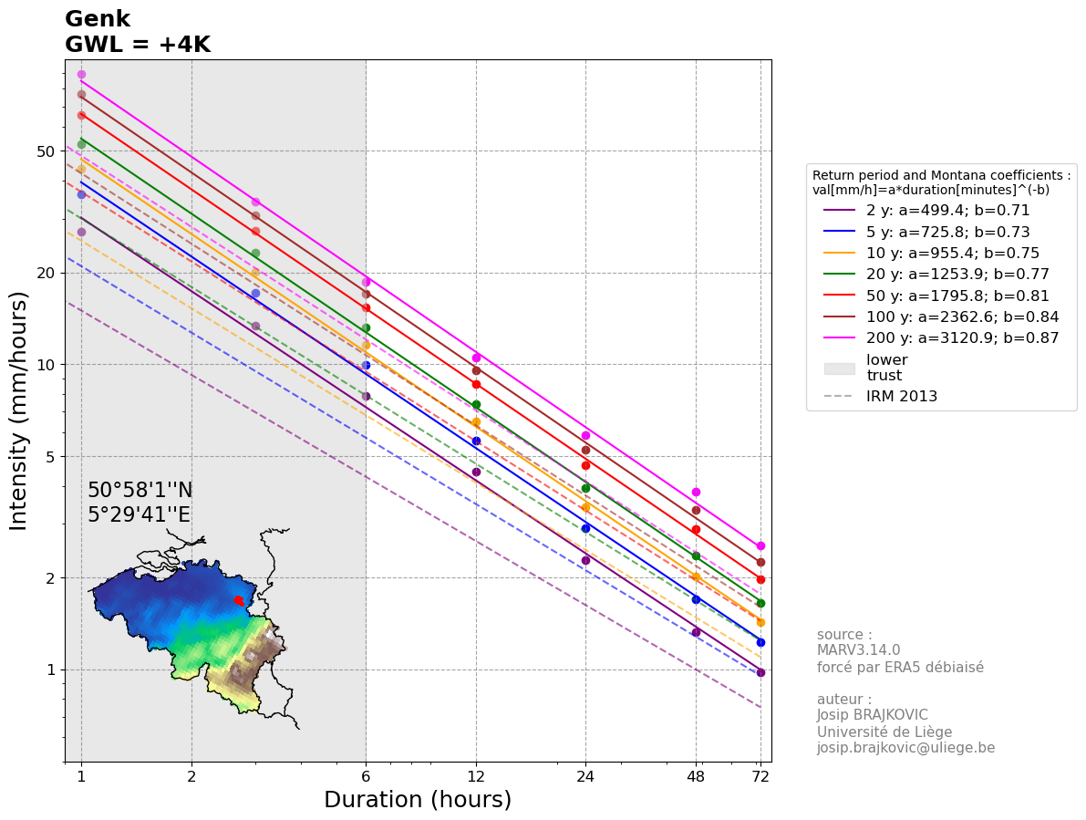
IDFs are calculated using the biad-adjusted Regional Climate model MAR3.14.0 forced by ERA5 (resolution of 5 km) reanalysis over 1940-2023.
The IDF for each location is calculated taking the closest MAR pixel to the center of the commune and its 5 closest neighbours (red points on the map below).
The values are computed as a weighted (by the distance) average of those selected pixels.
The GWL (Global Warming level) represents the Global Mean Surface Temperature anomaly with 1850-1899 as reference.
The used statistical law is a General Pareto Distribution, future IDFs are computed by adding 7% of intensity per degree of Global Warming
Reference: Brajkovic et al., 2025 (https://doi.org/10.1016/j.ejrh.2025.102399); contact : josip.brajkovic@uliege.be
Units: mm per hour
Montana coefficients: val[mm/h]=a*duration[minutes]^(-b)

 |  |  |  |  |  |  |  |  |  | 95% confidence interval half width [mm/h]
Return period (years) | 1h | 3h | 6h | 12h | 24h | 48h | 72h | Montana a | Montana b | 1h | 3h | 6h | 12h | 24h | 48h | 72h
2 | 27.165727628 | 13.386612839 | 7.8915081386 | 4.4389612966 | 2.2895732983 | 1.329796377 | 0.97951484215 | 499.37942908 | 0.70872374683 | 1.6958707661 | 0.75142787038 | 0.49869374387 | 0.25140703928 | 0.12132487263 | 0.069520867885 | 0.047393655239
5 | 36.12181126 | 17.161923849 | 9.9865722086 | 5.6071469681 | 2.9077847463 | 1.6987991369 | 1.2274311187 | 725.79797329 | 0.73098002142 | 3.3080187663 | 1.2613326347 | 0.7816962876 | 0.40711178612 | 0.20892714259 | 0.12971537665 | 0.085113356476
10 | 43.832283173 | 20.130060305 | 11.58459997 | 6.5049565668 | 3.4033839994 | 2.0133530939 | 1.4334646668 | 955.44116042 | 0.75132405423 | 5.5035079778 | 1.8857454591 | 1.0659762846 | 0.58477702778 | 0.32508599422 | 0.20944743024 | 0.13207045258
20 | 52.467561923 | 23.199074519 | 13.194129084 | 7.4153893782 | 3.9246671098 | 2.3623158801 | 1.6569508165 | 1253.9202572 | 0.77425426402 | 8.7819665056 | 2.767657811 | 1.4233097344 | 0.83038042741 | 0.50025786423 | 0.33039167457 | 0.20093540355
25 | 55.464271637 | 24.209192542 | 13.714752323 | 7.7112404319 | 4.0982025201 | 2.4826220514 | 1.7328556326 | 1368.3460011 | 0.78215705684 | 10.103445144 | 3.1101552535 | 1.5544132995 | 0.92475620654 | 0.57043090449 | 0.37955868464 | 0.2284488251
30 | 57.99651467 | 25.042680355 | 14.141031541 | 7.9539830299 | 4.2421247127 | 2.5839701275 | 1.7963693133 | 1469.5901299 | 0.78879868568 | 11.289094877 | 3.4118720323 | 1.6673917178 | 1.0075017923 | 0.63298648905 | 0.42379417806 | 0.25301793848
50 | 65.515703293 | 27.417699107 | 15.339703417 | 8.6390275622 | 4.6558532634 | 2.8832672926 | 1.9817487403 | 1795.8203779 | 0.80828465306 | 15.161747954 | 4.3645654187 | 2.012123392 | 1.2666108761 | 0.83418736187 | 0.56874541554 | 0.33249705857
100 | 76.808612304 | 30.736593966 | 16.976488236 | 9.580460763 | 5.2429743097 | 3.3283290901 | 2.2518022169 | 2362.5537584 | 0.83679043611 | 21.887633899 | 5.9196153908 | 2.5468001558 | 1.6834613999 | 1.1718289227 | 0.8209933938 | 0.46781236161
200 | 89.513427152 | 34.17026967 | 18.625253217 | 10.53599801 | 5.8613753288 | 3.8230091939 | 2.5448520588 | 3120.9478115 | 0.86769705508 | 30.621503699 | 7.7922948209 | 3.1593952393 | 2.1771624158 | 1.589927208 | 1.147930055 | 0.63884506723

