GWL = 1 K
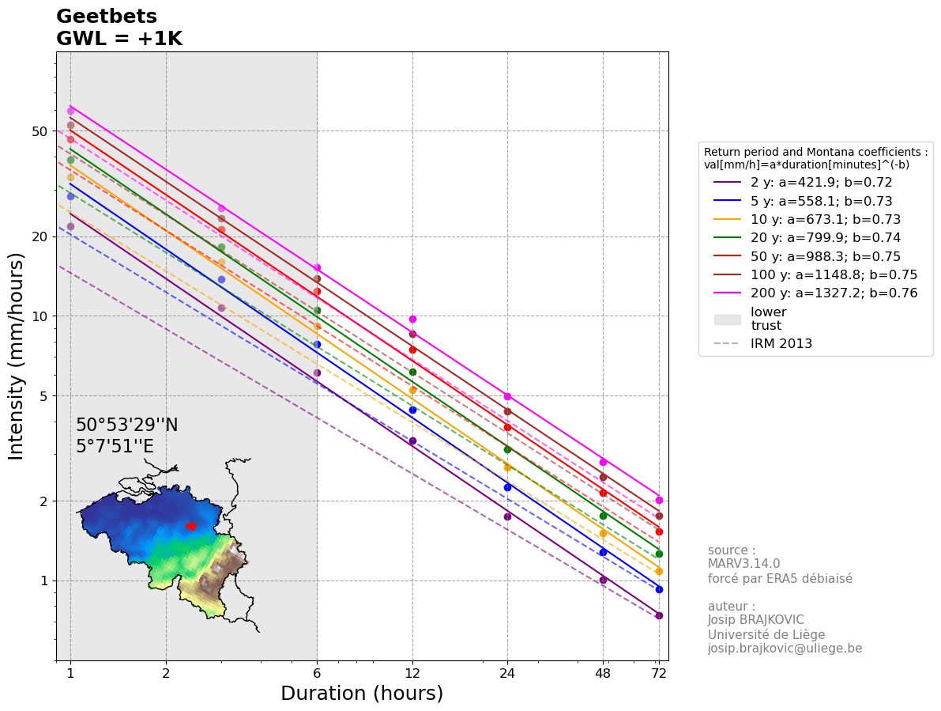
IDFs are calculated using the biad-adjusted Regional Climate model MAR3.14.0 forced by ERA5 (resolution of 5 km) reanalysis over 1940-2023.
The IDF for each location is calculated taking the closest MAR pixel to the center of the commune and its 5 closest neighbours (red points on the map below).
The values are computed as a weighted (by the distance) average of those selected pixels.
The GWL (Global Warming level) represents the Global Mean Surface Temperature anomaly with 1850-1899 as reference.
The used statistical law is a General Pareto Distribution, future IDFs are computed by adding 7% of intensity per degree of Global Warming
Reference: Brajkovic et al., 2025 (https://doi.org/10.1016/j.ejrh.2025.102399); contact : josip.brajkovic@uliege.be
Units: mm per hour
Montana coefficients: val[mm/h]=a*duration[minutes]^(-b)

 |  |  |  |  |  |  |  |  |  | 95% confidence interval half width [mm/h]
Return period (years) | 1h | 3h | 6h | 12h | 24h | 48h | 72h | Montana a | Montana b | 1h | 3h | 6h | 12h | 24h | 48h | 72h
2 | 21.825933808 | 10.77149391 | 6.1227624765 | 3.3836798269 | 1.7482266625 | 1.0051404602 | 0.73993434259 | 421.86235467 | 0.72071353063 | 1.4291624684 | 0.65226726043 | 0.34265571684 | 0.19688454292 | 0.095906462981 | 0.051405269815 | 0.035406910373
5 | 28.274083086 | 13.760589284 | 7.8298556804 | 4.4061087095 | 2.2522777214 | 1.2774602817 | 0.928242432 | 558.09904951 | 0.72611161224 | 2.3930019306 | 1.0073595912 | 0.56472068261 | 0.35098511268 | 0.17375110282 | 0.094817561475 | 0.065942756131
10 | 33.452446381 | 16.010712833 | 9.1577122764 | 5.2490635003 | 2.6727687587 | 1.5081927838 | 1.0889979829 | 673.13323935 | 0.73115662986 | 3.4808012112 | 1.3543525581 | 0.82697099322 | 0.5475752725 | 0.27377529368 | 0.15062384595 | 0.10511886491
20 | 38.912348269 | 18.251762552 | 10.517919527 | 6.1578040249 | 3.1305992668 | 1.7627082875 | 1.2674778766 | 799.94065157 | 0.73680537271 | 4.9543947742 | 1.7911351587 | 1.1906467008 | 0.8386251859 | 0.4242649327 | 0.23415257747 | 0.16375796555
25 | 40.733571127 | 18.971352768 | 10.96283239 | 6.4653083561 | 3.2865145493 | 1.8501091099 | 1.3290275865 | 843.51618921 | 0.73873391132 | 5.5196925975 | 1.9521202467 | 1.3306851429 | 0.95513753951 | 0.48510242801 | 0.26790560393 | 0.18748682609
30 | 42.245526683 | 19.5586416 | 11.328927451 | 6.7222159384 | 3.4171422859 | 1.9236032856 | 1.3808816042 | 880.18333887 | 0.74034664692 | 6.0165866427 | 2.091121734 | 1.4536294234 | 1.059203895 | 0.53966954147 | 0.29819814975 | 0.20880340989
50 | 46.600140139 | 21.201003149 | 12.36712224 | 7.4701770789 | 3.7992766488 | 2.139944159 | 1.5340178943 | 988.29554544 | 0.7450322094 | 7.5854547553 | 2.5163543053 | 1.8396680459 | 1.3957904913 | 0.71738310506 | 0.3970464557 | 0.27850188653
100 | 52.802801053 | 23.422475517 | 13.805787161 | 8.5554711083 | 4.3582881828 | 2.4597826254 | 1.7616867341 | 1148.8024724 | 0.75176146942 | 10.164901456 | 3.1771051586 | 2.4640318907 | 1.9682379325 | 1.0229504601 | 0.56784864147 | 0.39942012161
200 | 59.368292651 | 25.636148946 | 15.279740363 | 9.7285745989 | 4.9680555996 | 2.8127913131 | 2.0145793176 | 1327.1875563 | 0.75889403933 | 13.322167573 | 3.9328108596 | 3.2082819405 | 2.6906559568 | 1.4129711127 | 0.78741043248 | 0.55565464625

GWL = 2 K
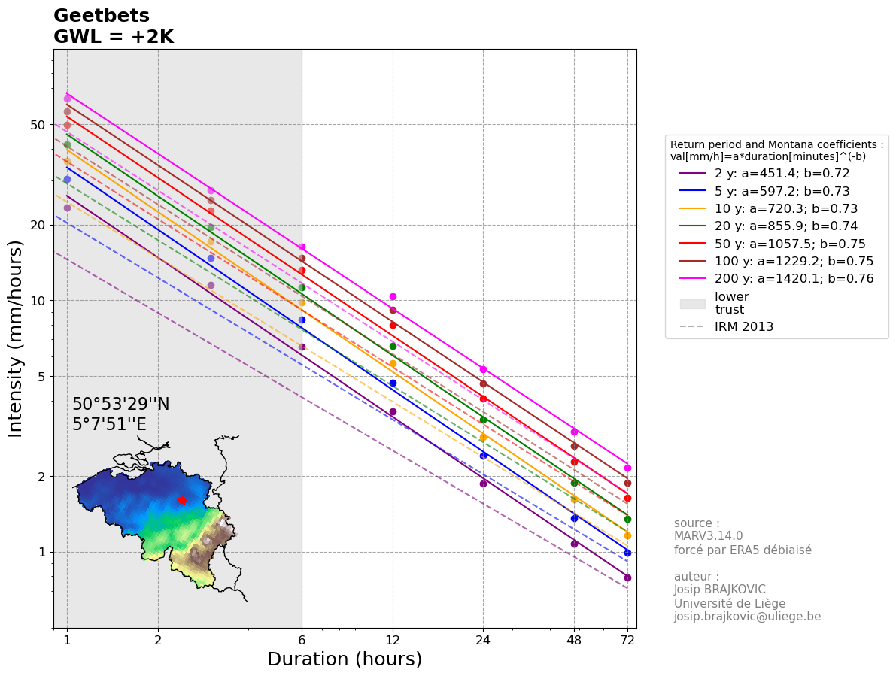
IDFs are calculated using the biad-adjusted Regional Climate model MAR3.14.0 forced by ERA5 (resolution of 5 km) reanalysis over 1940-2023.
The IDF for each location is calculated taking the closest MAR pixel to the center of the commune and its 5 closest neighbours (red points on the map below).
The values are computed as a weighted (by the distance) average of those selected pixels.
The GWL (Global Warming level) represents the Global Mean Surface Temperature anomaly with 1850-1899 as reference.
The used statistical law is a General Pareto Distribution, future IDFs are computed by adding 7% of intensity per degree of Global Warming
Reference: Brajkovic et al., 2025 (https://doi.org/10.1016/j.ejrh.2025.102399); contact : josip.brajkovic@uliege.be
Units: mm per hour
Montana coefficients: val[mm/h]=a*duration[minutes]^(-b)

 |  |  |  |  |  |  |  |  |  | 95% confidence interval half width [mm/h]
Return period (years) | 1h | 3h | 6h | 12h | 24h | 48h | 72h | Montana a | Montana b | 1h | 3h | 6h | 12h | 24h | 48h | 72h
2 | 23.353749175 | 11.525498484 | 6.5513558499 | 3.6205374148 | 1.8706025289 | 1.0755002924 | 0.79172974657 | 451.39215188 | 0.72071324881 | 1.5292038412 | 0.69792596866 | 0.36664161702 | 0.21066646093 | 0.10261991539 | 0.055003638702 | 0.037885394099
5 | 30.253268902 | 14.723830534 | 8.377945578 | 4.7145363192 | 2.409937162 | 1.3668825014 | 0.99321940224 | 597.16607262 | 0.72611164594 | 2.5605120657 | 1.0778747625 | 0.6042511304 | 0.37555407057 | 0.18591368002 | 0.10145479078 | 0.07055874906
10 | 35.794117628 | 17.131462732 | 9.7987521357 | 5.6164979453 | 2.8598625718 | 1.6137662786 | 1.1652278417 | 720.25154162 | 0.73115631035 | 3.724457296 | 1.4491572372 | 0.88485896275 | 0.58590554158 | 0.29293956424 | 0.16116751517 | 0.11247718545
20 | 41.636212648 | 19.52938593 | 11.254173894 | 6.5888503066 | 3.3497412155 | 1.8860978676 | 1.356201328 | 855.93643519 | 0.73680535645 | 5.3012024084 | 1.9165146198 | 1.2739919699 | 0.89732894891 | 0.45396347799 | 0.25054325789 | 0.17522102314
25 | 43.584921106 | 20.299347462 | 11.730230657 | 6.917879941 | 3.5165705678 | 1.9796167476 | 1.4220595176 | 902.56281647 | 0.73873403449 | 5.9060710794 | 2.088768664 | 1.4238331029 | 1.0219971673 | 0.51905959797 | 0.2866589962 | 0.20061090391
30 | 45.202713551 | 20.927746511 | 12.121952373 | 7.1927710541 | 3.6563422459 | 2.0582555156 | 1.4775433165 | 941.79619609 | 0.74034665253 | 6.4377477077 | 2.2375002554 | 1.555383483 | 1.1333481677 | 0.57744640937 | 0.31907202023 | 0.22341964858
50 | 49.862149948 | 22.68507337 | 13.232820797 | 7.9930894744 | 4.0652260143 | 2.2897402501 | 1.6413991469 | 1057.4762308 | 0.74503220881 | 8.1164365882 | 2.6924991067 | 1.9684448091 | 1.4934958256 | 0.76759992241 | 0.4248397076 | 0.29799701859
100 | 56.498997126 | 25.062048803 | 14.772192262 | 9.1543540859 | 4.6633683556 | 2.6319674091 | 1.8850048055 | 1229.2185442 | 0.75176145082 | 10.876444558 | 3.3995025197 | 2.6365141231 | 2.1060145878 | 1.0945569923 | 0.60759804637 | 0.42737953012
200 | 63.524073136 | 27.430679372 | 16.349322188 | 10.409574821 | 5.3158194916 | 3.009686705 | 2.1555998698 | 1420.0907043 | 0.75889404236 | 14.254719303 | 4.2081076198 | 3.4328616763 | 2.8790018738 | 1.5118790906 | 0.84252916275 | 0.59455047148

GWL = 3 K
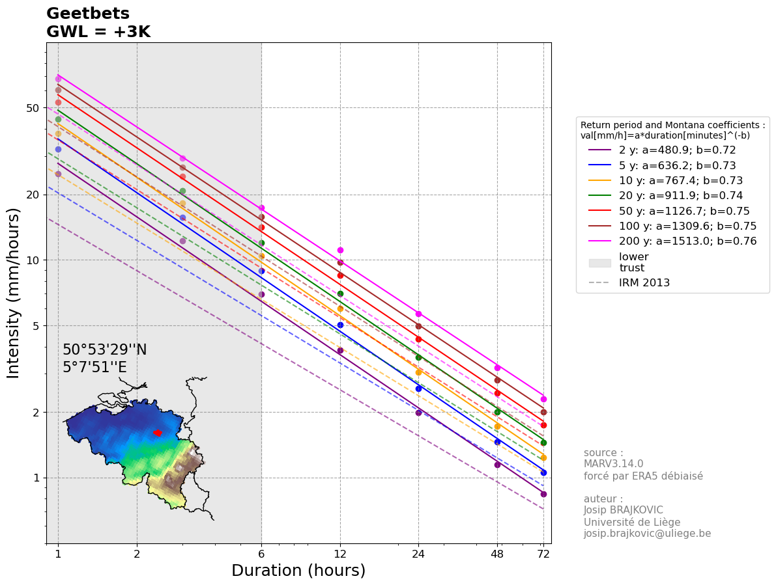
IDFs are calculated using the biad-adjusted Regional Climate model MAR3.14.0 forced by ERA5 (resolution of 5 km) reanalysis over 1940-2023.
The IDF for each location is calculated taking the closest MAR pixel to the center of the commune and its 5 closest neighbours (red points on the map below).
The values are computed as a weighted (by the distance) average of those selected pixels.
The GWL (Global Warming level) represents the Global Mean Surface Temperature anomaly with 1850-1899 as reference.
The used statistical law is a General Pareto Distribution, future IDFs are computed by adding 7% of intensity per degree of Global Warming
Reference: Brajkovic et al., 2025 (https://doi.org/10.1016/j.ejrh.2025.102399); contact : josip.brajkovic@uliege.be
Units: mm per hour
Montana coefficients: val[mm/h]=a*duration[minutes]^(-b)

 |  |  |  |  |  |  |  |  |  | 95% confidence interval half width [mm/h]
Return period (years) | 1h | 3h | 6h | 12h | 24h | 48h | 72h | Montana a | Montana b | 1h | 3h | 6h | 12h | 24h | 48h | 72h
2 | 24.881564541 | 12.279503058 | 6.9799492232 | 3.8573950027 | 1.9929783953 | 1.1458601246 | 0.84352515055 | 480.92287482 | 0.72071343296 | 1.629245214 | 0.74358467689 | 0.3906275172 | 0.22444837893 | 0.1093333678 | 0.058602007589 | 0.040363877826
5 | 32.232454718 | 15.687071784 | 8.9260354756 | 5.0229639289 | 2.5675966025 | 1.4563047212 | 1.0581963725 | 636.233051 | 0.72611165971 | 2.7280222009 | 1.1483899339 | 0.64378157818 | 0.40012302846 | 0.19807625722 | 0.10809202008 | 0.075174741989
10 | 38.135788874 | 18.25221263 | 10.439791995 | 5.9839323903 | 3.0469563849 | 1.7193397735 | 1.2414577005 | 767.37178986 | 0.7311565997 | 3.9681133808 | 1.5439619163 | 0.94274693227 | 0.62423581065 | 0.3121038348 | 0.17171118438 | 0.11983550599
20 | 44.360077027 | 20.807009309 | 11.99042826 | 7.0198965884 | 3.5688831642 | 2.0094874478 | 1.4449247794 | 911.93231778 | 0.73680536656 | 5.6480100426 | 2.0418940809 | 1.357337239 | 0.95603271192 | 0.48366202328 | 0.26693393831 | 0.18668408072
25 | 46.436271085 | 21.627342155 | 12.497628924 | 7.370451526 | 3.7466265862 | 2.1091243853 | 1.5150914486 | 961.60900067 | 0.73873403884 | 6.2924495612 | 2.2254170812 | 1.5169810629 | 1.088856795 | 0.55301676793 | 0.30541238848 | 0.21373498174
30 | 48.159900419 | 22.296851423 | 12.914977294 | 7.6633261698 | 3.8955422059 | 2.1929077456 | 1.5742050287 | 1003.4090381 | 0.74034665405 | 6.8589087727 | 2.3838787767 | 1.6571375426 | 1.2074924403 | 0.61522327727 | 0.33994589072 | 0.23803588727
50 | 53.124159758 | 24.16914359 | 14.098519354 | 8.5160018699 | 4.3311753797 | 2.4395363412 | 1.7487803995 | 1126.6566828 | 0.7450321616 | 8.6474184211 | 2.8686439081 | 2.0972215723 | 1.59120116 | 0.81781673977 | 0.4526329595 | 0.31749215065
100 | 60.1951932 | 26.70162209 | 15.738597364 | 9.7532370635 | 4.9684485284 | 2.8041521929 | 2.0083228769 | 1309.6348938 | 0.75176148236 | 11.58798766 | 3.6218998808 | 2.8089963555 | 2.2437912431 | 1.1661635245 | 0.64734745127 | 0.45533893863
200 | 67.679853622 | 29.225209799 | 17.418904014 | 11.090575043 | 5.6635833836 | 3.2065820969 | 2.2966204221 | 1512.9938324 | 0.75889404206 | 15.187271033 | 4.48340438 | 3.6574414121 | 3.0673477908 | 1.6107870685 | 0.89764789303 | 0.63344629672

GWL = 4 K

IDFs are calculated using the biad-adjusted Regional Climate model MAR3.14.0 forced by ERA5 (resolution of 5 km) reanalysis over 1940-2023.
The IDF for each location is calculated taking the closest MAR pixel to the center of the commune and its 5 closest neighbours (red points on the map below).
The values are computed as a weighted (by the distance) average of those selected pixels.
The GWL (Global Warming level) represents the Global Mean Surface Temperature anomaly with 1850-1899 as reference.
The used statistical law is a General Pareto Distribution, future IDFs are computed by adding 7% of intensity per degree of Global Warming
Reference: Brajkovic et al., 2025 (https://doi.org/10.1016/j.ejrh.2025.102399); contact : josip.brajkovic@uliege.be
Units: mm per hour
Montana coefficients: val[mm/h]=a*duration[minutes]^(-b)

 |  |  |  |  |  |  |  |  |  | 95% confidence interval half width [mm/h]
Return period (years) | 1h | 3h | 6h | 12h | 24h | 48h | 72h | Montana a | Montana b | 1h | 3h | 6h | 12h | 24h | 48h | 72h
2 | 26.409379908 | 13.033507632 | 7.4085425966 | 4.0942525906 | 2.1153542617 | 1.2162199568 | 0.89532055453 | 510.45326094 | 0.72071344799 | 1.7292865867 | 0.78924338512 | 0.41461341738 | 0.23823029694 | 0.11604682021 | 0.062200376476 | 0.042842361552
5 | 34.211640535 | 16.650313034 | 9.4741253733 | 5.3313915386 | 2.725256043 | 1.5457269409 | 1.1231733427 | 675.29982265 | 0.72611160319 | 2.895532336 | 1.2189051053 | 0.68331202596 | 0.42469198634 | 0.21023883442 | 0.11472924939 | 0.079790734918
10 | 40.477460121 | 19.372962528 | 11.080831854 | 6.3513668353 | 3.234050198 | 1.8249132684 | 1.3176875593 | 814.49031954 | 0.73115638163 | 4.2117694655 | 1.6387665953 | 1.0006349018 | 0.66256607973 | 0.33126810536 | 0.1822548536 | 0.12719382654
20 | 47.083941405 | 22.084632688 | 12.726682627 | 7.4509428701 | 3.7880251129 | 2.1328770279 | 1.5336482307 | 967.92817858 | 0.73680537045 | 5.9948176768 | 2.167273542 | 1.440682508 | 1.0147364749 | 0.51336056857 | 0.28332461873 | 0.19814713831
25 | 49.287621064 | 22.955336849 | 13.265027192 | 7.8230231109 | 3.9766826047 | 2.2386320229 | 1.6081233797 | 1020.6551696 | 0.73873403935 | 6.678828043 | 2.3620654985 | 1.6101290229 | 1.1557164228 | 0.58697393789 | 0.32416578075 | 0.22685905956
30 | 51.117087286 | 23.665956335 | 13.708002216 | 8.1338812855 | 4.1347421659 | 2.3275599756 | 1.670866741 | 1065.0218712 | 0.74034665352 | 7.2800698377 | 2.5302572981 | 1.7588916023 | 1.281636713 | 0.65300014517 | 0.3608197612 | 0.25265212597
50 | 56.386169568 | 25.65321381 | 14.964217911 | 9.0389142654 | 4.5971247451 | 2.5893324324 | 1.8561616521 | 1195.8375645 | 0.74503220084 | 9.178400254 | 3.0447887095 | 2.2259983355 | 1.6889064944 | 0.86803355712 | 0.4804262114 | 0.33698728271
100 | 63.891389274 | 28.341195376 | 16.705002465 | 10.352120041 | 5.2735287012 | 2.9763369767 | 2.1316409483 | 1390.0510333 | 0.75176147617 | 12.299530762 | 3.8442972419 | 2.9814785878 | 2.3815678984 | 1.2377700568 | 0.68709685617 | 0.48329834715
200 | 71.835634107 | 31.019740225 | 18.488485839 | 11.771575265 | 6.0113472755 | 3.4034774888 | 2.4376409743 | 1605.8969612 | 0.75889404188 | 16.119822763 | 4.7587011402 | 3.882021148 | 3.2556937077 | 1.7096950463 | 0.9527666233 | 0.67234212196

