GWL = 1 K
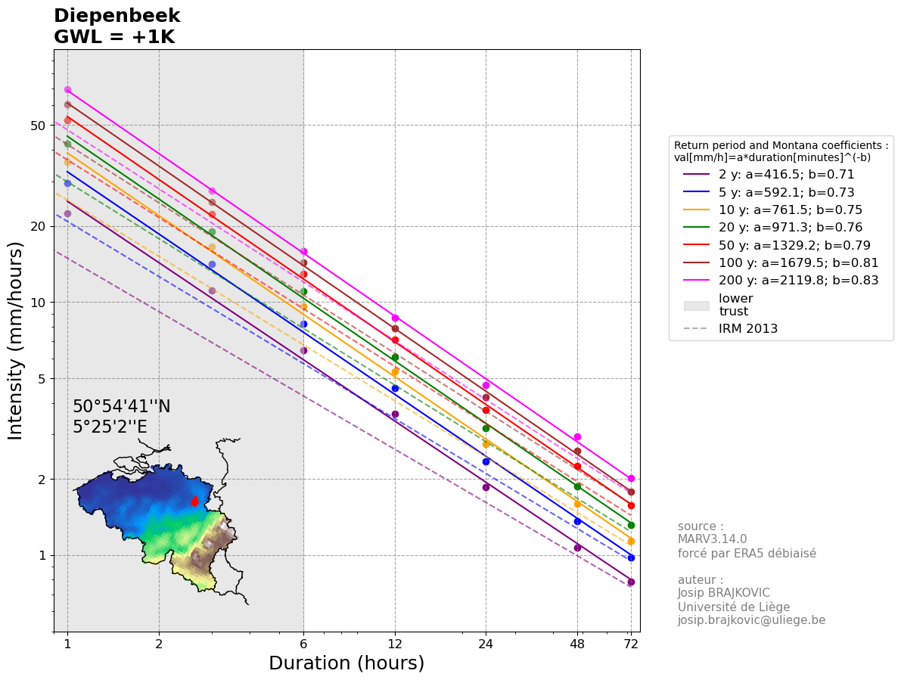
IDFs are calculated using the biad-adjusted Regional Climate model MAR3.14.0 forced by ERA5 (resolution of 5 km) reanalysis over 1940-2023.
The IDF for each location is calculated taking the closest MAR pixel to the center of the commune and its 5 closest neighbours (red points on the map below).
The values are computed as a weighted (by the distance) average of those selected pixels.
The GWL (Global Warming level) represents the Global Mean Surface Temperature anomaly with 1850-1899 as reference.
The used statistical law is a General Pareto Distribution, future IDFs are computed by adding 7% of intensity per degree of Global Warming
Reference: Brajkovic et al., 2025 (https://doi.org/10.1016/j.ejrh.2025.102399); contact : josip.brajkovic@uliege.be
Units: mm (in the table)
Montana coefficients: val[mm/h]=a*duration[minutes]^(-b)

Return level [mm] |  |  |  |  |  |  |  |  |  | 95% confidence interval half width [mm]
Return period (years) | 1h | 3h | 6h | 12h | 24h | 48h | 72h | Montana a | Montana b | 1h | 3h | 6h | 12h | 24h | 48h | 72h
2 | 22.400778051 | 33.233681153 | 38.749252086 | 43.342854173 | 44.474982132 | 51.292917007 | 56.511613061 | 416.52667476 | 0.71136083478 | 1.386494699 | 1.8769173857 | 2.2633983429 | 2.7514860902 | 2.3699249483 | 2.6494131923 | 2.6792399247
5 | 29.617287352 | 42.535607998 | 49.423243112 | 54.997189855 | 56.484366069 | 65.21548157 | 70.538778582 | 592.12840451 | 0.72955362369 | 2.6206636586 | 3.0599853836 | 3.6749209827 | 4.4573659826 | 4.0510563567 | 4.8371582909 | 4.795887436
10 | 35.687203725 | 49.715252746 | 57.679231812 | 63.948508433 | 66.050372812 | 76.895135973 | 82.181448336 | 761.49003227 | 0.74589804862 | 4.2732172777 | 4.4602418375 | 5.2775562592 | 6.1964350259 | 6.2726467297 | 7.6791008908 | 7.4388403581
20 | 42.34271163 | 57.031184139 | 66.09625775 | 73.020232332 | 76.052596068 | 89.667298077 | 94.795614909 | 971.27505511 | 0.76401154417 | 6.698418291 | 6.412679002 | 7.4505956143 | 8.4404699883 | 9.6117603405 | 11.937782761 | 11.3219606
25 | 44.619604833 | 59.417345302 | 68.840928951 | 75.966905569 | 79.36877907 | 94.028287429 | 99.076475239 | 1049.0903988 | 0.77018349781 | 7.6636509465 | 7.1662319039 | 8.2784173949 | 9.2771776048 | 10.945183136 | 13.655064992 | 12.873977427
30 | 46.531072916 | 61.378659183 | 71.096324051 | 78.384150277 | 82.113931253 | 97.685999801 | 102.65719271 | 1116.8746041 | 0.77534382656 | 8.5243028111 | 7.8282773319 | 9.0022435909 | 10.003118803 | 12.131845437 | 15.193997302 | 14.259908947
50 | 52.142228552 | 66.931722242 | 77.47767615 | 85.20353258 | 89.979445668 | 108.40539898 | 113.10160648 | 1329.1971373 | 0.79034975374 | 11.3036196 | 9.9090165549 | 11.261124432 | 12.242894584 | 15.936258281 | 20.200259842 | 18.742467148
100 | 60.399611292 | 74.610189727 | 86.285984856 | 94.569393702 | 101.07573541 | 124.13122925 | 128.29901059 | 1679.5438828 | 0.81196557671 | 16.03240854 | 13.278274546 | 14.88309265 | 15.778754687 | 22.282001296 | 28.798148875 | 26.36915956
200 | 69.46780951 | 82.464948787 | 95.270616682 | 104.06849059 | 112.68066724 | 141.3341482 | 144.76759126 | 2119.7704956 | 0.83499337141 | 22.023099756 | 17.299262571 | 19.167297118 | 19.906031089 | 30.081241385 | 39.765997696 | 35.998451667

GWL = 2 K
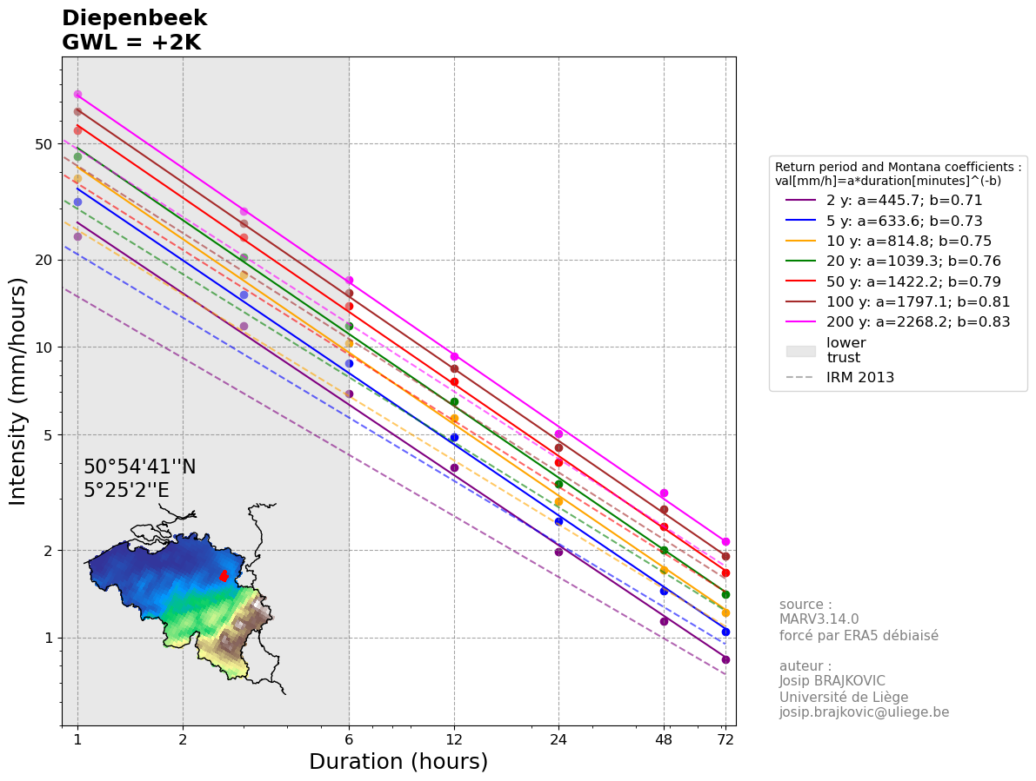
IDFs are calculated using the biad-adjusted Regional Climate model MAR3.14.0 forced by ERA5 (resolution of 5 km) reanalysis over 1940-2023.
The IDF for each location is calculated taking the closest MAR pixel to the center of the commune and its 5 closest neighbours (red points on the map below).
The values are computed as a weighted (by the distance) average of those selected pixels.
The GWL (Global Warming level) represents the Global Mean Surface Temperature anomaly with 1850-1899 as reference.
The used statistical law is a General Pareto Distribution, future IDFs are computed by adding 7% of intensity per degree of Global Warming
Reference: Brajkovic et al., 2025 (https://doi.org/10.1016/j.ejrh.2025.102399); contact : josip.brajkovic@uliege.be
Units: mm (in the table)
Montana coefficients: val[mm/h]=a*duration[minutes]^(-b)

Return level [mm] |  |  |  |  |  |  |  |  |  | 95% confidence interval half width [mm]
Return period (years) | 1h | 3h | 6h | 12h | 24h | 48h | 72h | Montana a | Montana b | 1h | 3h | 6h | 12h | 24h | 48h | 72h
2 | 23.968832515 | 35.560038834 | 41.461699732 | 46.376853965 | 47.588230881 | 54.883421197 | 60.467425976 | 445.68307157 | 0.71136059874 | 1.4835493279 | 2.0083016027 | 2.4218362269 | 2.9440901166 | 2.5358196947 | 2.8348721157 | 2.8667867194
5 | 31.690497466 | 45.513100558 | 52.882870129 | 58.846993145 | 60.438271693 | 69.78056528 | 75.476493083 | 633.57745149 | 0.7295536445 | 2.8041101147 | 3.2741843605 | 3.9321654515 | 4.7693816014 | 4.3346303017 | 5.1757593713 | 5.1315995565
10 | 38.185307986 | 53.195320438 | 61.716778039 | 68.424904023 | 70.673898909 | 82.277795491 | 87.934149719 | 814.79453151 | 0.74589810311 | 4.5723424871 | 4.7724587661 | 5.6469851973 | 6.6301854778 | 6.7117320008 | 8.2166379532 | 7.9595591831
20 | 45.306701445 | 61.023367028 | 70.722995793 | 78.131648595 | 81.376277792 | 95.944008942 | 101.43130795 | 1039.2643199 | 0.76401154655 | 7.1673075714 | 6.8615665322 | 7.9721373073 | 9.0313028875 | 10.284583564 | 12.773427554 | 12.114497843
25 | 47.742977171 | 63.576559474 | 73.659793977 | 81.284588959 | 84.924593605 | 100.61026755 | 106.01182851 | 1122.5264175 | 0.77018343541 | 8.2001065127 | 7.6678681372 | 8.8579066126 | 9.9265800371 | 11.711345956 | 14.610919542 | 13.775155847
30 | 49.78824802 | 65.675165326 | 76.073066734 | 83.871040796 | 87.861906441 | 104.52401979 | 109.8431962 | 1195.0560389 | 0.77534386686 | 9.1210040079 | 8.3762567451 | 9.6324006423 | 10.70333712 | 12.981074618 | 16.257577113 | 15.258102574
50 | 55.79218455 | 71.616942799 | 82.90111348 | 91.167779861 | 96.278006865 | 115.99377691 | 121.01871893 | 1422.2409157 | 0.79034975035 | 12.094872972 | 10.602647714 | 12.049403143 | 13.099897205 | 17.05179636 | 21.614278031 | 20.054439848
100 | 64.627584083 | 79.832903008 | 92.326003796 | 101.18925126 | 108.15103689 | 132.8204153 | 137.27994133 | 1797.1119497 | 0.81196557609 | 17.154677138 | 14.207753765 | 15.924909135 | 16.883267515 | 23.841741387 | 30.814019297 | 28.215000729
200 | 74.330556176 | 88.237495203 | 101.93955985 | 111.35328493 | 120.56831394 | 151.22753857 | 154.90132265 | 2268.1544258 | 0.83499337096 | 23.564716739 | 18.510210951 | 20.509007917 | 21.299453265 | 32.186928281 | 42.549617535 | 38.518343284

GWL = 3 K

IDFs are calculated using the biad-adjusted Regional Climate model MAR3.14.0 forced by ERA5 (resolution of 5 km) reanalysis over 1940-2023.
The IDF for each location is calculated taking the closest MAR pixel to the center of the commune and its 5 closest neighbours (red points on the map below).
The values are computed as a weighted (by the distance) average of those selected pixels.
The GWL (Global Warming level) represents the Global Mean Surface Temperature anomaly with 1850-1899 as reference.
The used statistical law is a General Pareto Distribution, future IDFs are computed by adding 7% of intensity per degree of Global Warming
Reference: Brajkovic et al., 2025 (https://doi.org/10.1016/j.ejrh.2025.102399); contact : josip.brajkovic@uliege.be
Units: mm (in the table)
Montana coefficients: val[mm/h]=a*duration[minutes]^(-b)

Return level [mm] |  |  |  |  |  |  |  |  |  | 95% confidence interval half width [mm]
Return period (years) | 1h | 3h | 6h | 12h | 24h | 48h | 72h | Montana a | Montana b | 1h | 3h | 6h | 12h | 24h | 48h | 72h
2 | 25.536886979 | 37.886396515 | 44.174147378 | 49.410853757 | 50.70147963 | 58.473925388 | 64.42323889 | 474.84021116 | 0.71136074147 | 1.5806039569 | 2.1396858197 | 2.5802741109 | 3.1366941429 | 2.7017144411 | 3.0203310392 | 3.0543335141
5 | 33.763707581 | 48.490593118 | 56.342497147 | 62.696796435 | 64.392177318 | 74.345648989 | 80.414207584 | 675.02634087 | 0.72955361029 | 2.9875565708 | 3.4883833374 | 4.1894099203 | 5.0813972202 | 4.6182042466 | 5.5143604516 | 5.467311677
10 | 40.683412247 | 56.675388131 | 65.754324266 | 72.901299613 | 75.297425006 | 87.660455009 | 93.686851103 | 868.09804919 | 0.7458978961 | 4.8714676966 | 5.0846756947 | 6.0164141355 | 7.0639359296 | 7.1508172719 | 8.7541750155 | 8.4802780082
20 | 48.270691259 | 65.015549918 | 75.349733835 | 83.243064859 | 86.699959517 | 102.22071981 | 108.067001 | 1107.2530826 | 0.76401144604 | 7.6361968517 | 7.3104540623 | 8.4936790003 | 9.6221357867 | 10.957406788 | 13.609072347 | 12.907035085
25 | 50.866349509 | 67.735773645 | 78.478659004 | 86.602272349 | 90.48040814 | 107.19224767 | 112.94718177 | 1195.9630023 | 0.77018348792 | 8.736562079 | 8.1695043704 | 9.4373958302 | 10.575982469 | 12.477508775 | 15.566774091 | 14.676334267
30 | 53.045423124 | 69.971671468 | 81.049809418 | 89.357931315 | 93.609881629 | 111.36203977 | 117.02919969 | 1273.23731 | 0.77534387308 | 9.7177052047 | 8.9242361583 | 10.262557694 | 11.403555436 | 13.830303799 | 17.321156924 | 16.2562962
50 | 59.442140549 | 76.302163356 | 88.324550811 | 97.132027141 | 102.57656806 | 123.58215484 | 128.93583139 | 1515.2846783 | 0.790349745 | 12.886126344 | 11.296278873 | 12.837681853 | 13.956899826 | 18.16733444 | 23.02829622 | 21.366412549
100 | 68.855556873 | 85.055616289 | 98.366022735 | 107.80910882 | 115.22633837 | 141.50960135 | 146.26087207 | 1914.6800415 | 0.81196557851 | 18.276945736 | 15.137232983 | 16.966725621 | 17.987780343 | 25.401481478 | 32.829889718 | 30.060841899
200 | 79.193302841 | 94.010041618 | 108.60850302 | 118.63807927 | 128.45596065 | 161.12092895 | 165.03505404 | 2416.538359 | 0.83499337085 | 25.106333722 | 19.72115933 | 21.850718715 | 22.692875442 | 34.292615178 | 45.333237374 | 41.0382349

GWL = 4 K
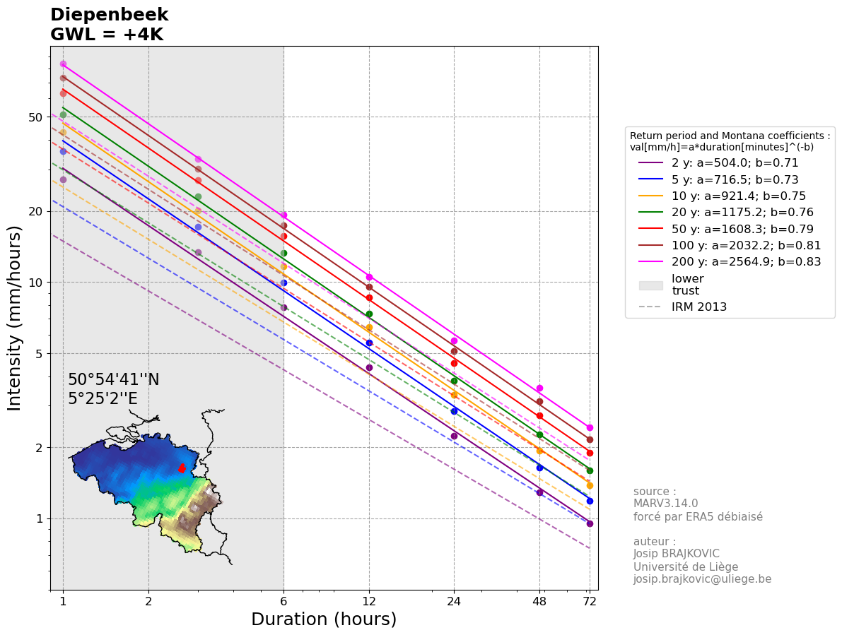
IDFs are calculated using the biad-adjusted Regional Climate model MAR3.14.0 forced by ERA5 (resolution of 5 km) reanalysis over 1940-2023.
The IDF for each location is calculated taking the closest MAR pixel to the center of the commune and its 5 closest neighbours (red points on the map below).
The values are computed as a weighted (by the distance) average of those selected pixels.
The GWL (Global Warming level) represents the Global Mean Surface Temperature anomaly with 1850-1899 as reference.
The used statistical law is a General Pareto Distribution, future IDFs are computed by adding 7% of intensity per degree of Global Warming
Reference: Brajkovic et al., 2025 (https://doi.org/10.1016/j.ejrh.2025.102399); contact : josip.brajkovic@uliege.be
Units: mm (in the table)
Montana coefficients: val[mm/h]=a*duration[minutes]^(-b)

Return level [mm] |  |  |  |  |  |  |  |  |  | 95% confidence interval half width [mm]
Return period (years) | 1h | 3h | 6h | 12h | 24h | 48h | 72h | Montana a | Montana b | 1h | 3h | 6h | 12h | 24h | 48h | 72h
2 | 27.104941442 | 40.212754195 | 46.886595024 | 52.444853549 | 53.814728379 | 62.064429578 | 68.379051804 | 503.9970919 | 0.71136075289 | 1.6776585858 | 2.2710700367 | 2.7387119949 | 3.3292981692 | 2.8676091875 | 3.2057899626 | 3.2418803089
5 | 35.836917696 | 51.468085678 | 59.802124165 | 66.546599725 | 68.346082943 | 78.910732699 | 85.351922085 | 716.47445214 | 0.72955333617 | 3.1710030269 | 3.7025823142 | 4.4466543891 | 5.393412839 | 4.9017781916 | 5.852961532 | 5.8030237976
10 | 43.181516508 | 60.155455823 | 69.791870493 | 77.377695203 | 79.920951103 | 93.043114528 | 99.439552486 | 921.4031215 | 0.74589809326 | 5.170592906 | 5.3968926233 | 6.3858430736 | 7.4976863814 | 7.5899025429 | 9.2917120779 | 9.0009968333
20 | 51.234681073 | 69.007732808 | 79.976471878 | 88.354481122 | 92.023641242 | 108.49743067 | 114.70269404 | 1175.2433603 | 0.76401164883 | 8.1050861321 | 7.7593415925 | 9.0152206933 | 10.212968686 | 11.630230012 | 14.44471714 | 13.699572327
25 | 53.989721848 | 71.894987816 | 83.29752403 | 91.919955739 | 96.036222675 | 113.77422779 | 119.88253504 | 1269.3993849 | 0.77018349824 | 9.2730176452 | 8.6711406037 | 10.016885048 | 11.225384902 | 13.243671595 | 16.522628641 | 15.577512687
30 | 56.302598228 | 74.268177611 | 86.026552101 | 94.844821835 | 99.357856817 | 118.20005976 | 124.21520318 | 1351.4185594 | 0.77534387496 | 10.314406401 | 9.4722155716 | 10.892714745 | 12.103773752 | 14.679532979 | 18.384736735 | 17.254489826
50 | 63.092096547 | 80.987383913 | 93.747988141 | 103.09627442 | 108.87512926 | 131.17053277 | 136.85294384 | 1608.3284359 | 0.79034973957 | 13.677379716 | 11.989910031 | 13.625960563 | 14.813902447 | 19.28287252 | 24.442314409 | 22.678385249
100 | 73.083529664 | 90.27832957 | 104.40604168 | 114.42896638 | 122.30163985 | 150.1987874 | 155.24180281 | 2032.2481524 | 0.81196558281 | 19.399214334 | 16.066712201 | 18.008542106 | 19.092293171 | 26.961221568 | 34.845760139 | 31.906683068
200 | 84.056049507 | 99.782588033 | 115.27744618 | 125.92287361 | 136.34360736 | 171.01431932 | 175.16878542 | 2564.9222962 | 0.83499337111 | 26.647950705 | 20.93210771 | 23.192429513 | 24.086297618 | 36.398302075 | 48.116857212 | 43.558126517

